Bug Report.
Bug ID | Title | Bug Type | Reported By | Reported Date | Environment | Module/Screen | Priority | Severity | Precondition | Steps to Reproduce | Expected Result | Actual Result | Attachments | Status | Assigned To | Comments (If any)
BUG_TC_VPL_012 | Verify each product row displays 3 products. | UI | Noyon Chandra Saha | 2025-06-27 | OS: Window version 10 64 bit Browser: Google Crome Version 137.0.7151.120 | View Product List | Medium | Minor | User is on the All Products page. | 1. Go to the "https://automationexercise.com/" 2. Navigate product page 3. Scan the product | Each row contain 3 products. | In some row there are 2 prroducts. | 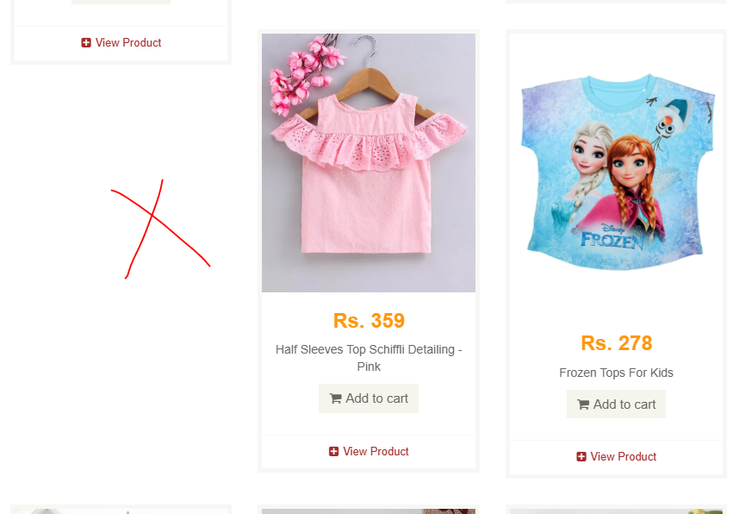 | New
BUG_TC_VPL_013 | Ensure the product list loads dynamically when scrolling | UI | Noyon Chandra Saha | 2025-06-27 | OS: Window version 10 64 bit Browser:Google Crome Version 137.0.7151.120 | View Product List | Medium | Minor | User is on the All Products page. | 1. Go to the "https://automationexercise.com/" 2. Navigate product page 3. Scroll products 4. Obserbverd the behaviour | Additional product tiles appear (lazy loading) or pagination elements appear if applicable. | There is no lazy loading. All product loaded at the same time |  | New
BUG_TC_EP_018 | Verify users can not setting producti quantity as 0 | Functional | Noyon Chandra Saha | 2025-06-27 | OS: Window version 10 64 bit Browser:Fire Fox Version 115.0b6 (32 bit) | Edit a Product | High | Major | Product X in cart. | 1. Go to the "https://automationexercise.com/" 2. Navigate product page 3. Hover one product 4. Go to Product Details page with product X qty = 3. 5. Change quantity to “0”. 6. Click Click add to cart button. 7. Observe cart update. | Show Proper validation error and product is not added in the list | Does not show any validaion error. Product is added in the cart with quantity 0 and price 0. |  | New
BUG_TC_EP_019 | Verify negative quantities are not accepted. | Functional | Noyon Chandra Saha | 2025-06-27 | OS: Window version 10 64 bit Browser: Google Crome Version 137.0.7151.120 | Edit a Product | High | Major | Product X in cart. | 1. Go to Product Details page with product X qty = 3. 2. Change quantity to “-5”. 3. Click Click add to cart button. 4. Observe cart update. | Show Proper validation error and product is not added in the list | Does not show any validaion error. Product is added in the cart with quantity -5 |  | New
BUG_TC_SP_029 | Confirm that category filter + search filter returns intersection of results. | Functional | Noyon Chandra Saha | 2025-06-27 | OS: Window version 10 64 bit Browser: Google Crome Version 137.0.7151.120 | Search/Filter Products | High | Major | User is on All Products page. | 1. Go to the "https://automationexercise.com/" 2. Navigate product page 3. Select category (e.g., “Men → T‑shirts”). 4. In the filtered list, search for “Men Tshirt”. 5. Observe results. | Only “Men Tshirt” products under T‑shirts are shown. “SEARCHED PRODUCTS” and category filter both are active. | There is no search button when apply filter |  | New
BUG_TC_SP_030 | Verify that clearing filters returns the full product list. | Functional | Noyon Chandra Saha | 2025-06-27 | OS: Window version 10 64 bit Browser: Google Crome Version 137.0.7151.120 | Search/Filter Products | High | Minor | Filters and search are applied. | 1. Clear the search input. 2. Remove applied category/brand filters. 3. Refresh the page or click “Products” breadcrumb. | User lands on “All Products” view. Full product catalog is restored. | Afte refersh pervios data is still show | 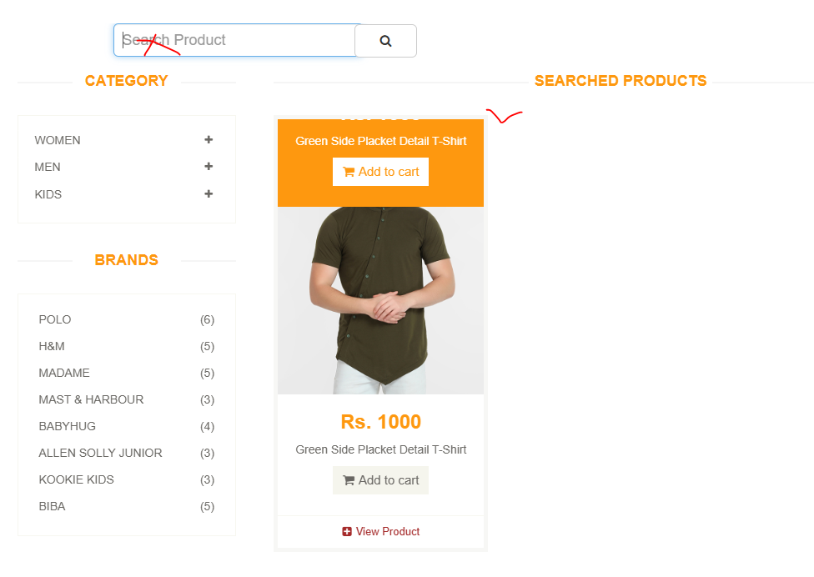 | New

